Niveles de control
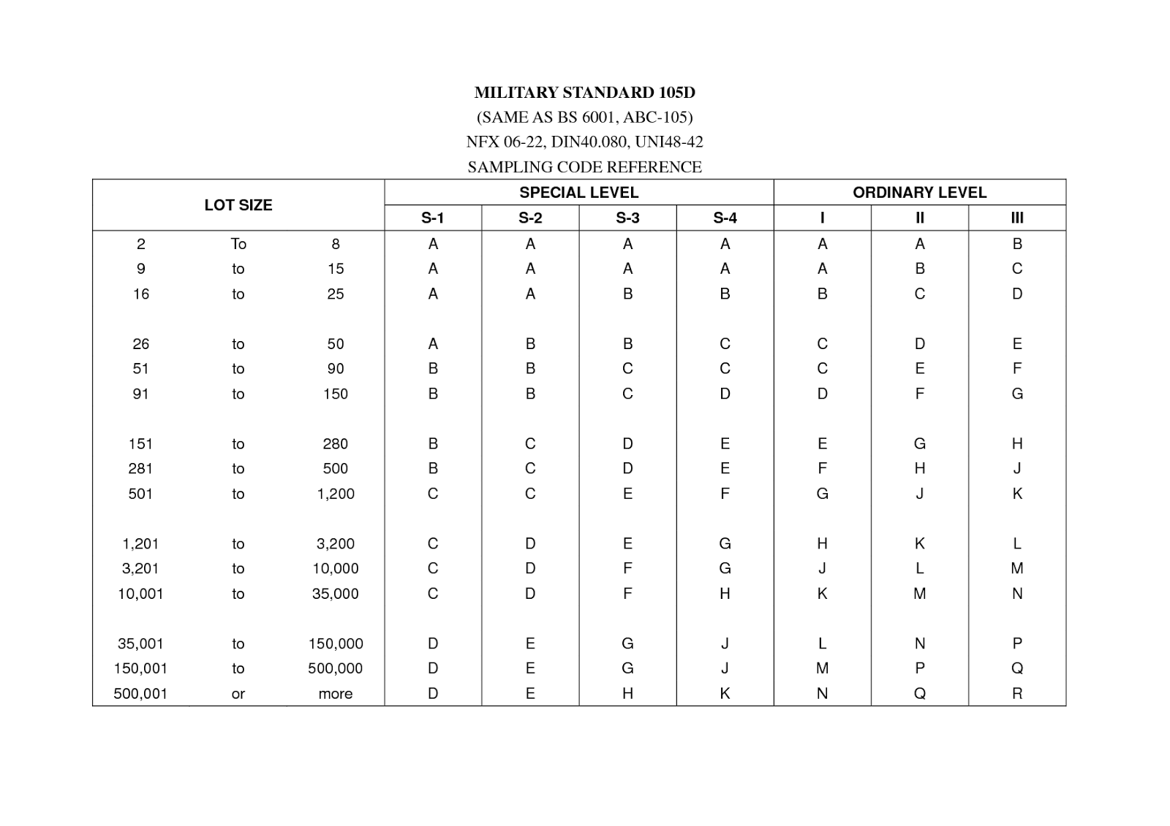
TAMAÑO DE LOTE
NIVELES DE INSPECCION ESPECIALES
NIVELES DE INSPECCION GENERALES

I - Simplificada
II - Normal
III - Estricta

